Intake
BSC Artificial Intelligence Use Case Assessment
** See INSTRUCTIONS tab to enable macros before completing the form**
BSC AI Submission Date | Committee Presentation Date | Target Go-Live Date
[BSC AI Governance Intake Team] | [BSC AI Governance Intake Team] | End of Q2
Information
Risk Score | Low
Stellarus AI Use Case Jira ticket # | [Required Response] |  | This form is required to submit the form to Jira and create a ticket, so I don't have this yet.
Stellarus AI Use Case Status | Awaiting BSC AI Governance
Title | Member (MEM) AI Chat
Problem Statement Provide a brief summary of the business need/issue/challenge/gap (Do not use technical language or terms) | BSC members struggle to get timely, accurate answers to benefits questions, leading to frustration, multiple touchpoints, and increased support costs. Current member portal interactions lack personalized guidance, forcing members to navigate complex benefits documentation or call into customer service to answer these basic benefits questions.
Description Based on the Problem Statement provide a brief summary of what implementing the AI solution will solve. (Do not use technical language or terms) | Deploy an AI-powered Generative Agent chat integrated with the member portal that provides instant, always-available benefits support directly within members' existing digital experience.
Return on Investment (ROI) Provide the efficiency, productivity, or financial benefits from the expected use of AI solution proposed | Decrease calls to customer support by enabling more self-serve options, and therefore, decreaes call center costs.
Line of Business Information
Commercial & Government Markets (Click options to add/remove) • All - Select this only if all options below are impacted • Individual & Family Plans • Medicare • Medi-Cal • Middle Market • Premier • Select Markets • Small Business • Specialty • N/A - Internal Technology / Development Regulator: DMHC and/or Covered CA | N/A - Internal Technology / Development | BSC Employees, which is not an option in the drop down.
Impact to Medicare? Regulator: CMS | Yes
Impact to Medi-Cal (Promise Health Plan)? NOTE: 'Yes' responses require Promise AI Gov approval after BSC AI Gov approval Regulator: DHCS and/or DMHC | No
Impact to Covered California? Regulator: DMHC and/or DHCS | No
Impacted Company (Click options to add/remove) • Blue Shield of California (Health Plan) • Stellarus (Vendor) - if applicable • Altais (Vendor) - if applicable • Ascendiun (Parent) - if applicable | Blue Shield of California | I'm not allowed to do multi-select, but it should be BSC and Stellarus.
AI Solution Details
Implementation Scale of the AI solution? • Proof of Concept (PoC): Small-scale exercise to test whether a specific idea/concept can function in practice. PoCs are NOT LIVE, but managed through controlled conditions, CANNOT impact members, and may typically include a reporting output. • Purpose: Demonstrate feasibility and potential value of a proposed solution/ technology without full development. • Pilot: Small or large-scale implementation of a proposed solution or technology in a real-world environment. Pilots ARE LIVE, CAN impact members but often involve a limited number of users and aim to assess the product's performance in practical conditions or workflows. It may include model demonstration. • Purpose: Demonstrate usability, gather user feedback, and identify any issues before a broader rollout. |  | Pilot
Primary purpose of the AI solution (Click options to add/remove) • Agentic AI: Task oriented agents that are designed to take actions, make rule-based decisions, and execute tasks independently. (e.g., data entry, detection alerts) • Generative AI: Content Generation/Decision-Making through data classification, decision trees, or image/sound/text synthesis based on past or historical data (e.g., customized treatment plans, advertising/marketing product descriptions) • Large Language Model: Informational/Search/Summarization tasks through natural language processing (e.g., answer questions, write or summarize articles, create conversational agents/chatbots) • Machine Learning: Algorithm Training, Prediction/Decision on new, unforeseen data by continuously feeding data to model (e.g., fraud detection, streaming recommendations, traffic prediction, social media feed) |  | Generative AI
Third-Party Information
External Vendor/Third-Party Name | Current Vendor: New/Expanded AI SOW | Sierra and Genesys
Impacted Application/System/Database Name(s) | Blue Shield Member Portal (Web) Genesys Cloud CX Sierra AI Conversational Platform Stellarus Agentic AI Platform Databricks (Vector Database) Nexus Enterprise Benefits Knowledge Documents (PDFs) Salesforce Data Cloud (future phase)
Vendor Contract Status | Executed
Business Area Information
Accountable Executive Leader (Business Area EVP, potentially the direct manager of the Business Owner) |  | Ellen Sexton
Responsible Leader (Business Area VP/SVP whose Business Area will use the AI solution) |  | Christine McKinney
Point of Contact (Reports to the Responsible Leader) |  | Kathleen Licas
IT Project Leader (Employee managing the AI solution from development to go-live) |  | Julie Hughes
All General Managers impacted have approved? |  | Yes
Business Area (Select Primary Business Area most impacted): |  | Information Security/Technology
All Other Impacted Business Area(s) (Click options to add/remove) Behavioral Health, Benefit Configuration, Case Management, Claims, Compliance & Ethics, Corporate Safety & Security, Delegation Oversight, Finance, Fraud/Waste/Abuse, Global Business Services/Vendor Management, Information Security/Technology, Installation/Billing/Enrollment, Legal, Marketing, Sales Account Management, People & Engagement, Pharmacy, Product Management, Provider Network, Privacy, Quality Management, Utilization Management, Workplace Experience |  | Finance | I am not able to select more than one.
Legal Information
Compliance / ERM / Legal Contacts | Adi Dabholkar
Attorney Client Privilege (If 'Yes' provide name of attorney) | [Enter response] | [Enter name(s) if applicable]
Principles & Standards Provide description of how the AI solution will ensure adherence.
FAIR, INCLUSIVE & ETHICAL We will strive to maintain fairness & equity especially among vulnerable populations, so individuals have inclusive opportunities to be healthy by identifying and mitigating undesired and unethical outcomes. | The Member AI Chat ensures fairness through: • Accessible Design: WCAG-compliant interface for all members, including those with disabilities • Vulnerable Population Safeguards: Specific guardrails for Medicare members to ensure clear, accurate benefits information • Bias Monitoring: Regular audits to detect and correct response disparities across demographics • Human Escalation: Pathways to live agents for complex or sensitive inquiries • Content Constraints: AI limited to enterprise knowledge documents only, preventing hallucinations
EXPLAINABLE & TRANSPARENT We will maintain documentation that explains how models were created, what data was used, what influenced the outcome or recommendation, how decisions were made, how accuracy levels were achieved, and where it is integrated into a process or user experience. | The Member AI Chat ensures explainability and transparency through: • Model Documentation: Comprehensive records of AI architecture, training methodology, and version history maintained in Stellarus platform • Data Lineage: Clear tracking of enterprise knowledge documents used to generate responses • Response Attribution: Citations linking AI answers to specific source documents so members understand the basis for information provided • Decision Logging: Audit trails capturing user queries, AI responses, and escalation triggers for review • Accuracy Metrics: Ongoing monitoring of response quality, hallucination rates, and user satisfaction scores
PRIVATE & SECURE We will diligently protect and secure data of our members and/or clients to maintain high levels of trust, protect our brand and reputation, mitigate legal risks, and effectively comply with Federal and State regulations. | The Member AI Chat ensures privacy and security through: • Data Minimization: Collects only information necessary to respond to member inquiries • Encryption: All data encrypted in transit and at rest using enterprise-grade standards • Access Controls: Role-based permissions limiting data access to authorized personnel only • PHI/PII Safeguards: Strict handling protocols for protected health and personal information per HIPAA requirements • Regulatory Compliance: Adherence to CMS, DMHC, and applicable Federal/State privacy regulations
ACCOUNTABLE & RELIABLE We will responsibly develop, deploy, and manage products and/or solutions throughout its lifecycle and apply industry best practices and scientific methods of reliability and excellence. | The Member AI Chat ensures accountability and reliability through: • Lifecycle Governance: Defined ownership and oversight from development through deployment, monitoring, and retirement • Version Control: Systematic tracking of model updates, configuration changes, and knowledge document revisions • Performance Monitoring: Continuous tracking of uptime, response accuracy, and system health metrics • Incident Management: Established protocols for identifying, escalating, and resolving issues promptly • Continuous Improvement: Regular review cycles incorporating user feedback and performance data to enhance reliability
COMPLIANT & RISK-BASED We will rigorously assess, monitor, and validate compliance prior to and after deployment to ensure ongoing operations are within our risk appetite and to detect, prevent, and correct potential issues of non-compliance. | The Member AI Chat ensures compliance and risk management through: • Pre-Deployment Validation: Rigorous testing and review against CMS, DMHC, and HIPAA requirements before launch • Risk Assessment: Formal evaluation of AI-related risks aligned with enterprise risk appetite and governance frameworks • Ongoing Monitoring: Continuous surveillance of AI outputs to detect anomalies, errors, or compliance drift • Audit Readiness: Maintained documentation and logs to support regulatory audits and internal reviews • Issue Remediation: Defined escalation and correction protocols to promptly address non-compliance findings
TRAINING & EDUCATION • How employees/users will be trained or educated on the use of the AI solution? • What resources will be available and how they can be accessed? • How will user error will be tracked and/or reported? | The Member AI Chat ensures effective training and education through: • Training: Role-based training covering AI capabilities, escalation protocols, and compliance. • Resources: Self-service knowledge base and user guides • Error Tracking: Monitored via Genesys Cloud CX analytics and Sierra AI platform monitoring; quality reviews identify gaps and inform ongoing training.
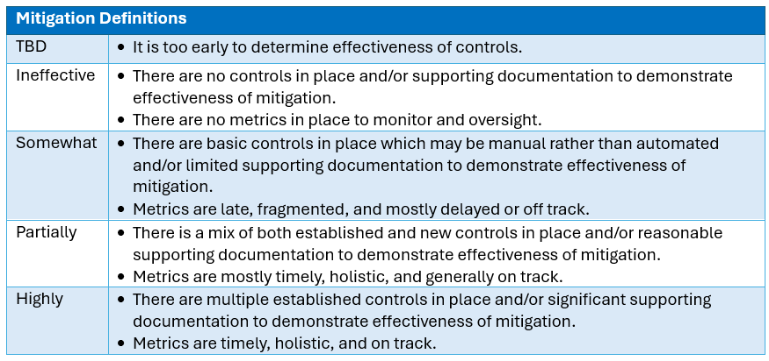
Risk Score & Rating Refer to the tables to the right to complete this section.
Enterprise Top Risk Category | Artificial Intelligence
What is the highest classification of data involved? | Highly Sensitive
Type of Highly Sensitive Data? | PHI
Evaluate the impact of the risk before any controls are put into place
Customer (Member/Provider/Employee) Impact | Major | [Please explain your selection (if necessary).]
Reputational Impact | Moderate | [Please explain your selection (if necessary).]
Regulatory/Compliance/Legal Impact | Moderate | [Please explain your selection (if necessary).]
Operational Impact | Major | [Please explain your selection (if necessary).]
Financial Impact | Moderate | [Please explain your selection (if necessary).]
Probability/Likelihood of occurrence before any controls are put into place.
Probability (Likelihood) | Unlikely | [Please explain your selection (if necessary).]
Evaluate impact after controls are put in place | Select the option most aligned to your current status.
Mitigation Effectiveness (Controls in Place) | Highly | [Please explain your selection (if necessary).]
Risk Results
Total Risk Score | 6.6666666667
Risk Rating | Low
Overall Status to Mitigation Plan | ON TRACK

For Committee Use Only
Committee Decision | [Completed by BSC AI Governance Team]
Committee Decision Date | [Completed by BSC AI Governance Team]
AI Governance Committee Approved with Conditions Details
Actions to be taken to address concerns/feedback. Examples include but are not limited to: • Policy & Procedures must be current and compliant with applicable regulations/requirements/rules. • Employee training or re-education must be conducted to demonstrate staff knowledge and reduce human error • Monitoring & oversight processes are required to demonstrate ongoing effectiveness of mitigation • Applicable technology or system challenges/fixes must be identified to demonstrate end-to-end mitigation • If applicable, outreach to members or providers must be performed to prevent abrasion and other complaints
Requirement | Start Date | End Date
Task #1:
Task #2:
Task #3:
Task #4:

Principles & Standards
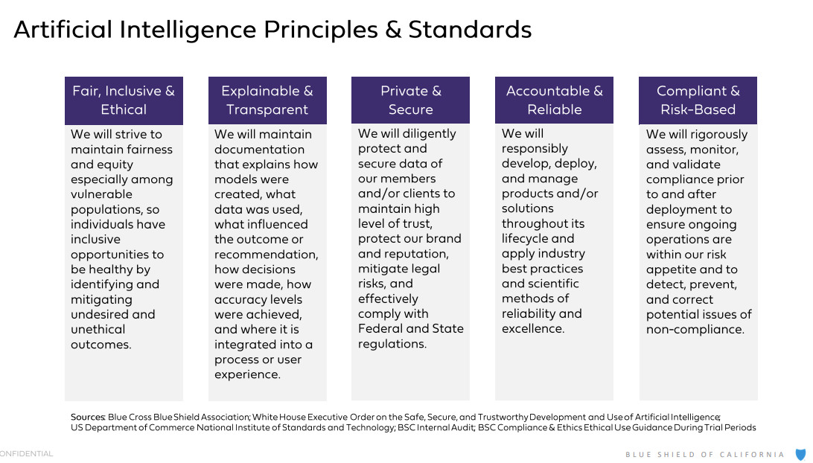

Risk Assessment
